Table 1
ANTELOPE VALLEY UNION HIGH SCHOOL DISTRICT FOOD SERVICES
To: Antelope Valley Produce, Attention Ruben Diaz From: Joe Cook, Director Food Services Cc: Palmdale/Eastside/Westside/Lancaster/Wilsona/Keppel School Districts Date: May 4, 2023 Re: Extension of Agreement RFP #01/22-23 In accordance with the terms of our agreement, the Antelope Valley Union High School District acting as the representative for the seven participating Districts is offering to extend the current agreement into the first, of two possible year(s) based on the terms of the original solicitation. This extension is contingent on mutual agreement by both parties, and will be in effect from July 1, 2023 through June 30, 2024. This option is based on current bid/market pricing and service. Any price increase must be justified and proven by submission of documentation. By accepting this offer, it is also understood that Antelope Valley Produce will provide the same service and pricing to all districts in the AV cooperative. Antelope Valley Union High School District reserves the rights to rescind this offer in case of, unreasonable increase in pricing or in level of service. The Districts under this agreement have appreciated the availability of pre-portioned fruit and vegetable options in supporting new programs like Breakfast in the Classroom, Grab & Go and Community Eligibility Provisional feeding. Additionally, Districts have also valued the increased communication related to conditions effecting pricing and sourcing related to the USDA's Buy American Provision. Please contact Districts prior to the beginning the 2023-2024 school year for specific items to purchase and advise the group related to minimums or other conditions. Please indicate your acceptance of this option by signing below, and returning to: AVUHSD Food Services, Attention Joe Cook 176 Holston Drive Lancaster, CA 93535 Please sign and return by May

Ruben Diaz, Owner Date: S:_ - _-_? _ | Date:----+--+------

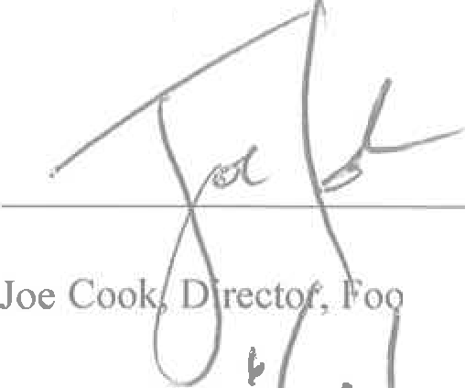
26, 2023.
d Services
,Z.-.7

Table 4
ion High School District:
14. VENDOR IS NOT AN OFFICER, EMPLOYEE, OR AGENT OF DISTRICT: While engaged in carrying out and complying with the terms and conditions of this Contract, the Vendor is an independent contractor, and is not an officer, employee or agent of DISTRICT's or its member DISTRICTs. 15. INSURANCE PERMITS AND LICENSES REQUIRED OF THE VENDOR: The Vendor shall maintain insurance adequate to protect him from claims under Workers' Compensation Acts, and from claims for damages for personal injury, including death, and damage to property, General Liability and Automobile, which may arise from operations under the contract. The Vendor shall submit an original signed certificate to DISTRICT and may be required to file with the Member DISTRICTS certificates of such insurance. Failure to furnish such evidence, if required, may be considered default of the Vendor. The Vendor and all of its employees or agents shall secure and maintain in force such licenses and permits as are required by law, in connection with the furnishing of materials, articles, or services covered under this Contract. All operations and materials shall be in accordance with the law. 16. CONDITIONAL REQUEST FOR PROPOSAL: DISTRICT reserves the right to reject any Request for Proposal, which imposes conditions, or terms, on purchases, which were not specified in the original Request for Proposal document. IN WITNESS WHEREOF, The DISTRICT, by order of its Governing Board, has caused this instrument to be duly entered into by said Board, and the Vendor has caused this instrument to be duly subscribed and executed, all on the date first hereinbefore set forth. Antelope Valley Produce:
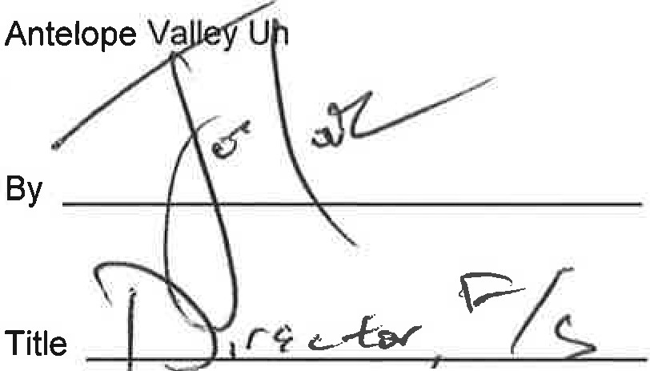 Title (J::......,W>!..!C...LN''-"---='2.,-,::...££..- -----
& / 11/ "? Date _ ;_(_
This Institution is an equal opportunity provider.

Table 5
ANTELOPE VALLEY UNION HIGH SCHOOL DISTRICT CONTRACTOR'S CERTIFICATE REGARDING DRUG-FREE WORKPLACE This Drug-Free Workplace Certification form is required from all successful bidders pursuant to the requirements mandated by Government Code Sections 8350 et. seq., the Drug-Free Workplace Act of 1990. The Drug-Free Workplace Act of 1990 requires that every person or organization awarded a contract or grant for the procurement of any property or service from any state agency must certify that it will provide a drug-free workplace by performing certain specified acts. In addition, the Act provides that each contract or grant awarded by a State agency may be subject to suspension of payments or termination of the contract or grant, and the Contractor or grantee may be subject to debarment from future contracting, if the contracting agency determines that specified acts have occurred. Pursuant to Government Code Section 8355, every person or organization awarded a contract or grant from a State agency shall certify that it will provide a drug-free workplace by doing all of the following: a) publishing a statement, notifying employees that the unlawful manufacture, distribution, dispensation, possession, or use of a controlled substance is prohibited in the person's or organization's workplace, and specifying actions which will be taken against employees for violations of the prohibition; b) establishing a drug-free awareness program to inform employees about all of the following: 1) the dangers of drug abuse in the workplace; 2) the person's or organization's policy of maintaining a drug-free workplace; 3) the availability of drug counseling, rehabilitation and employee-assistance programs; and 4) the penalties that may be imposed upon employees for drug abuse violations; c) requiring that each employee engaged in the performance of the contract or grant be given a copy

Authorized Signature
00306-07 Contractor's Certificate Regarding Drug Free Workplace Revised 5/29/02

Table 6
t
Notice to all Contractors and Subcontractors Subject: Employment Clearance - Department of Justice Background Clearance is required for all school district employees and employees of outside contractors before they are permitted on any school site. The following information is a summary of legal provisions regarding employment processing offingerprint cards through the California Department of Justice ("CDOJ"). [Education Code 45125.1.]
s - EMPLOYEES OF ENTITIES. REQUIREMENTS OUTSIDE CONTRACT SERVICES 1. Requires CDOJ clearance for employees of defined outside contractors (entity). (EC45125. la.) 2. Requires entity to not permit its employees to come in contact with pupils until CDOJ clearance is ascertained. (EC45125. If.) 3. An entity having a contract as specified shall certify in writing to the governing board of the school district that none of its employees who may come in contact with pupils have been convicted of a felony. (EC45 l 25.1g.) 4. The entity shall provide a list of names of its employees who may come in contact with pupils to the governing board of the schoo1 district. The above requirements apply to all contractors and subcontractors providing services to the Antelope Valley Union High School District.
TO BE EXECUTED BY BIDDER AND SUBMITTED WITH BID CERTIFICATE I hereby certify that my company Al i-- hf/[/4J)ctt& in compliance with the above requirements of Education Code section 45125.1. It;re atta.Z ed a list of loyees from my company who may come in contact with pupils at any school site. None of these employees have been convicted of a felony.
;1 Authoriz Date

Table 11
California Department of Education Child Nutrition and Food Distribution Division | School Nutrition Programs Unit April 1998
SUSPENSION AND DEBARMENT CERTIFICATION U.S. DEPARTMENT OF AGRICULTURE INSTRUCTIONS: SFA to obtain from any potential vendor or existing contractor for all contracts in excess of $100,000. This form is required each time a bid for goods/services over $100,000 is solicited or when renewing/ext.ending an existing contract exceeding SIOO,O00 per year (Includes Food Service Management and Food Service Consulting Contracts). Certification Regarding Debarment, Suspension, Ineligibility and Voluntary Exclusion Lower Tier Covered Transactions This certification is required by the regulations implementing Executive Order 12549, Debarment and Suspension, 7 CFR Part 3017, Section 3017.510, Participants' responsibilities. The regulations were published as Part N of the January 30, 1989, Federal Register (pages 4722 - 4733). Copies of the regulations may be obtained by contacting the Department of Agriculture agency with which this transaction originated. (BEFORE COMPLETING CERTIFICATION, READ INSTRUCTIONS ON NEXT PAGE) (1) The prospective lower tier participant certifies, by submission of this proposal, that neither it nor i1s principals is presently debarred, suspended, proposed for debarment, declared ineligible, or voluntarily excluded from participation in this transaction by any Federal department or agency. (2) Where the prospective lower tier participant is unable to certify to any of the statements in this certification, such prospective participant shall attach an explanation to this proposal. Name of School Food Authority Agreement Number Potential Vendor or Existing Contractor (Lower Tier Participant): ---:,.,,..... --a= -. :::::::::tJ=-7 -tJ I·- N

Printed Name Title Authorized Signatuie Date
DO NOT SUBMIT THIS FORM. RETAIN WITH THE APPLICABLE CONTRACT OR BID RESPONSES G:SN!':OEBARi'¼ENT

n lJ' t/t

Table 20
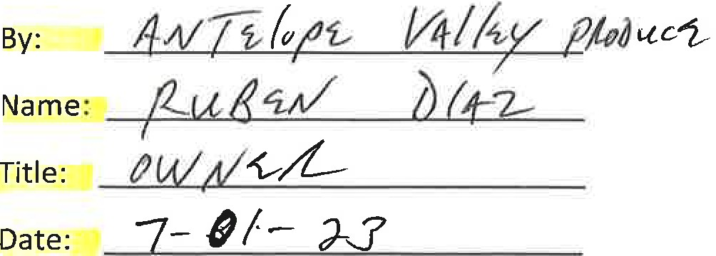
FOOD SERVICES BUY AMERICAN PROVISION DECLARATION
Prospective Vendor, Section 104(d) of the William F. Goodling Child Nutrition Reauthorization Act of 1998, {Public Law 105336), requires schools and institutions participating in the NSLP and SBP in the contiguous United States to purchase, to the maximum extent practicable, domestic commodities or products for use in meals served under the programs. The legislation defines "domestic commodity or product" as one that is produced in the United States and is processed in the United States, substantially using agricultural commodit_ies that are produced in the United States. Substantially is defined as over 51% of the final processed product consists of agricultural commodities that were grown domestically. Please complete the following information in order to certify that your items comply with the Buy American Provision. If you are not able to certify the information below, your product will not be considered by the District. Any decisions to accept product that does not meet the Buy American Provision shall be at the discretion of the District. We, (Manufacturer's Name), certify that our product(s} has at least 51 % US content. Please list all product(s) manufactured for NSLP sponsorship that does not comply with the Buy American Provision: Product Description Manufacturer Code# Country of Origin Attach Certificate of Origin documentation for all product(s} that does not comply with the Buy American Provision. Vendor Representative

